Folha1
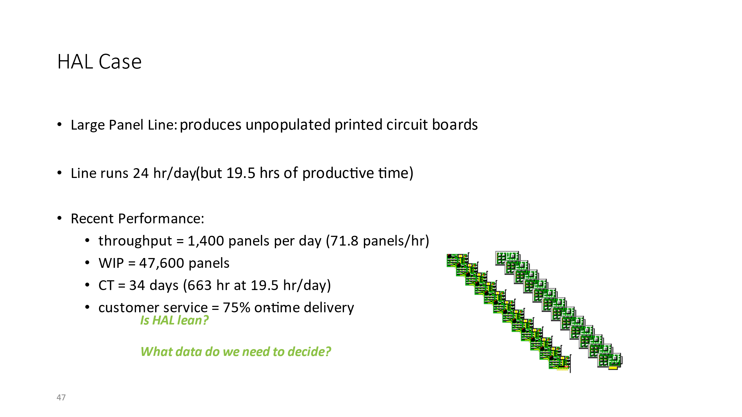
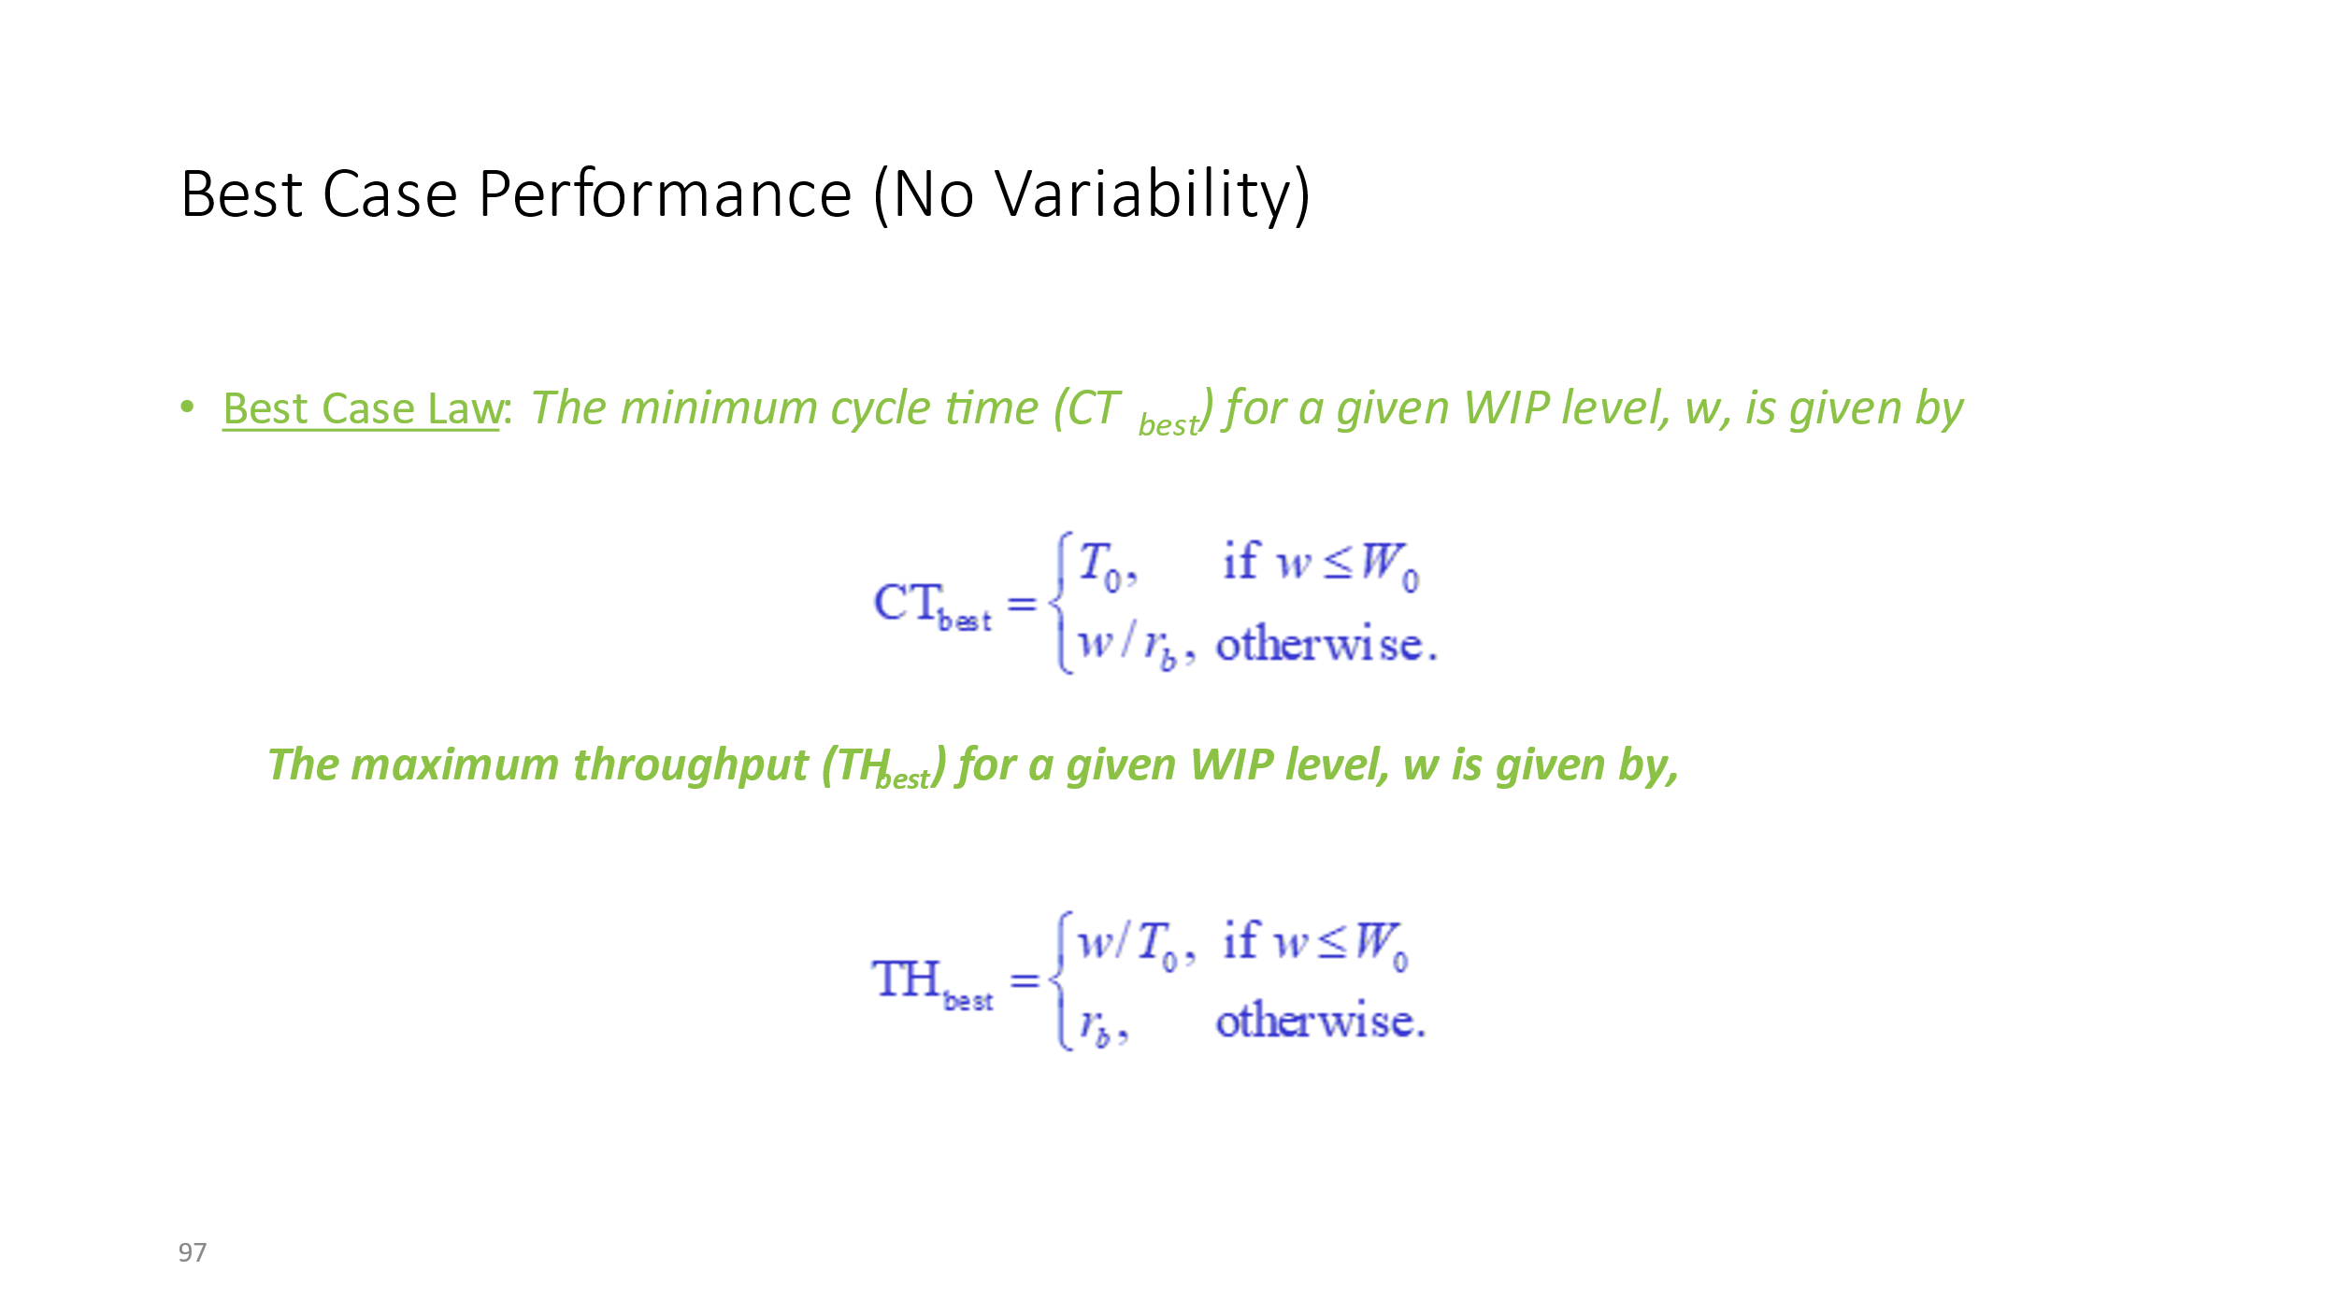
To | 33.9
rb | 114
wo | 3864.6

TH | 71.8
WIP | 47600
CT | 816

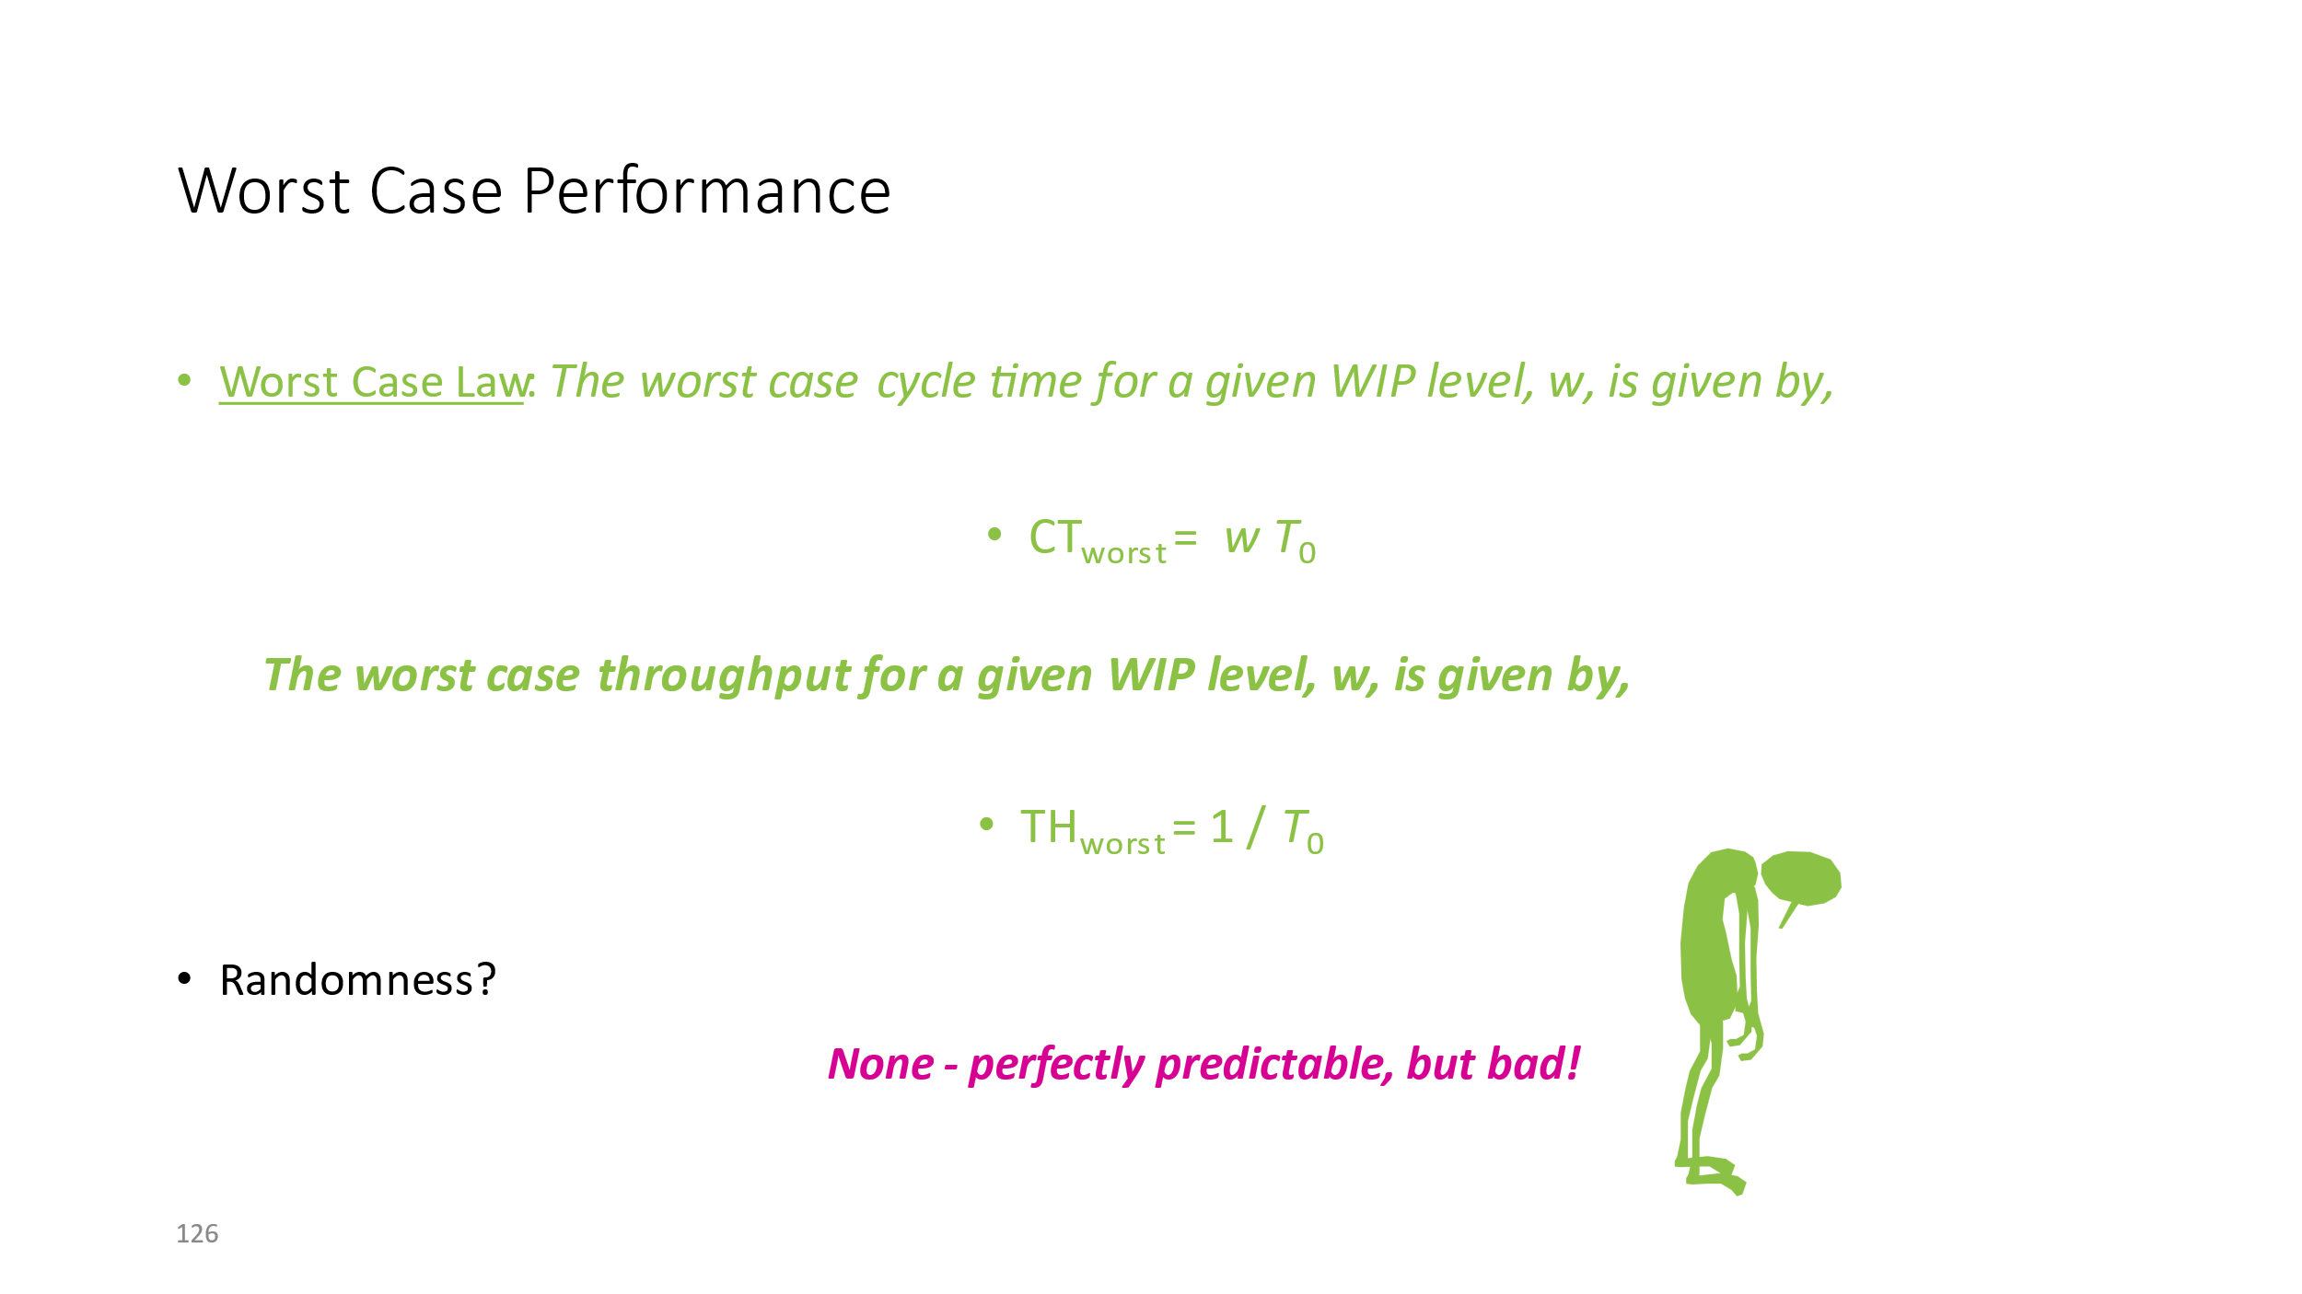
WIP | Ctbest | ctworst | ctpwc
0 | 33.9 | 0 | 33.89122807
5000 | 43.859649123 | 147.49262537 | 77.750877193
10000 | 87.719298246 | 294.98525074 | 121.61052632
15000 | 131.57894737 | 442.47787611 | 165.47017544
20000 | 175.43859649 | 589.97050147 | 209.32982456
25000 | 219.29824561 | 737.46312684 | 253.18947368
30000 | 263.15789474 | 884.95575221 | 297.04912281
35000 | 307.01754386 | 1032.4483776 | 340.90877193
40000 | 350.87719298 | 1179.9410029 | 384.76842105
45000 | 394.73684211 | 1327.4336283 | 428.62807018
50000 | 438.59649123 | 1474.9262537 | 472.4877193
WIP | thbest | thworst | thpwc
0 | 0 | 0.029498525074 | 0
5000 | 114 | 0.029498525074 | 64.307956135
10000 | 114 | 0.029498525074 | 82.229723881
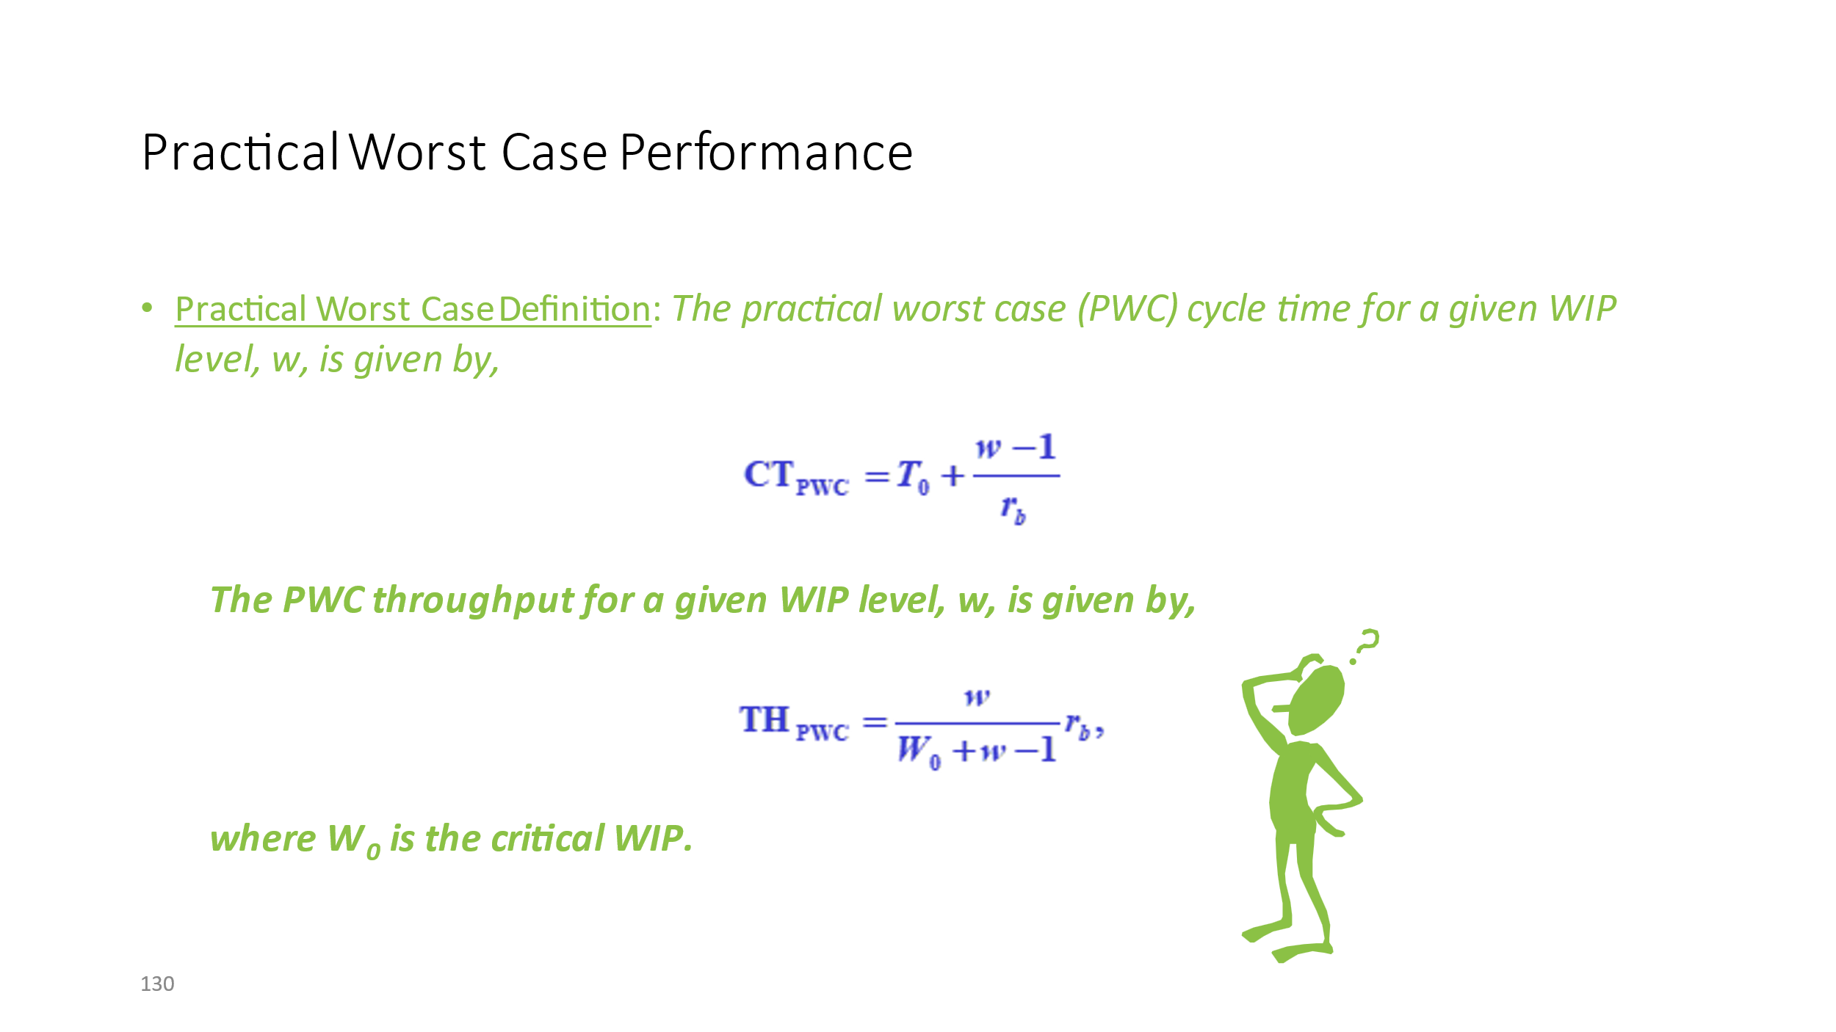
15000 | 114 | 0.029498525074 | 90.650777158
20000 | 114 | 0.029498525074 | 95.543002732
25000 | 114 | 0.029498525074 | 98.740281878
30000 | 114 | 0.029498525074 | 100.99339704
35000 | 114 | 0.029498525074 | 102.66676273
40000 | 114 | 0.029498525074 | 103.95863541
45000 | 114 | 0.029498525074 | 104.98612464
50000 | 114 | 0.029498525074 | 105.82285625

Folha3
Bottleneck Rate

 | Cycle Time(minutes) | Total Cycle Time with internal Time | Machine time | External Time | Internal Time | Total Operator Time | Parts/Hour | Parts/hour w/ internal time | Parts/Hour only Machine | Parts/hour 133% | External Time / 1000% | New total cycle time | Parts/Hour (133%)
MC no1 | 3.594 | 3.739 | 2.6 | 0.994 | 0.145 | 1.139 | 16.694490818 | 16.047071409 | 23.076923077 | 22.203672788 | 0.0994 | 2.6994 | 22.227161591
MC no2 | 2.964 | 3.212 | 2.22 | 0.744 | 0.248 | 0.992 | 20.24291498 | 18.679950187 | 27.027027027 | 26.923076923 | 0.0744 | 2.2944 | 26.150627615
MC no3 | 3.301 | 3.664 | 2.42 | 0.881 | 0.363 | 1.244 | 18.176310209 | 16.375545852 | 24.79338843 | 24.174492578 | 0.0881 | 2.5081 | 23.922491129
MC no4 | 1.725 | 2.153 | 1.118 | 0.607 | 0.428 | 1.035 | 34.782608696 | 27.868091036 | 53.66726297 | 46.260869565 | 0.0607 | 1.1787 | 50.903537796
Total Cycle Time (Hours) | 0.19306666667 | 0.2128 |  | 429.058 | 157.472
 |  |  |  | 7.1509666667 | 2.6245333333
Critical WIP | 3.2231496939 |  |  |  | 9.7755

Minutes/Day | 441
Hours/Day | 7.35 |  | Total day bottleneck | 122.70450751
 |  |  | Machine Bottleneck | 169.61538462
T0 | 0.19306666667
r0 | 16.694490818
W0 | 3.2231496939

 |  | WIP / hora | Th Best | Th Best Employee Faster 10X | TH Just Machine | Th Worst | Th PWC |  | WIP | Ct Best | Ct Worse | Ct PWC
 |  | 0 | 0 | 0 | 0 | 0 | 0 |  | 0 | 0 | 0.00 | 0.13
 |  | 5 | 16.694490818 | 22.23 | 23.08 | 5.179558011 | 11.55624037 |  | 10 | 0.60 | 1.93 | 0.73
 |  | 10 | 16.694490818 | 22.23 | 23.08 | 5.179558011 | 13.65809242 |  | 20 | 1.20 | 3.86 | 1.33
 |  | 15 | 16.694490818 | 22.23 | 23.08 | 5.179558011 | 14.539579968 |  | 30 | 1.80 | 5.79 | 1.93
 |  | 20 | 16.694490818 | 22.23 | 23.08 | 5.179558011 | 15.024414674 |  | 40 | 2.40 | 7.72 | 2.53
 |  | 25 | 16.694490818 | 22.23 | 23.08 | 5.179558011 | 15.331152903 |  | 50 | 2.99 | 9.65 | 3.13
 |  | 30 | 16.694490818 | 22.23 | 23.08 | 5.179558011 | 15.542699249 |  | 60 | 3.59 | 11.58 | 3.73
 |  | 35 | 16.694490818 | 22.23 | 23.08 | 5.179558011 | 15.697413664 |  | 70 | 4.19 | 13.51 | 4.33
 |  | 40 | 16.694490818 | 22.23 | 23.08 | 5.179558011 | 15.815485997 |  | 80 | 4.79 | 15.45 | 4.93
 |  | 45 | 16.694490818 | 22.23 | 23.08 | 5.179558011 | 15.908555267 |  | 90 | 5.39 | 17.38 | 5.52
 |  | 50 | 16.694490818 | 22.23 | 23.08 | 5.179558011 | 15.98380308 |  | 100 | 5.99 | 19.31 | 6.12
 |  |  |  |  |  |  |  |  | 110 | 6.59 | 21.24 | 6.72
TH Analysis
 |  |  |  |  |  |  |  |  | 120 | 7.19 | 23.17 | 7.32
 |  |  |  |  |  |  |  |  | 130 | 7.79 | 25.10 | 7.92
 |  |  |  |  |  |  |  |  | 140 | 8.39 | 27.03 | 8.52
 |  |  |  |  |  |  |  |  | 150 | 8.99 | 28.96 | 9.12
 |  |  |  |  |  |  |  |  | 160 | 9.58 | 30.89 | 9.72
 |  |  |  |  |  |  |  |  | 170 | 10.18 | 32.82 | 10.32

